工作表1
Method | Params (Type, Name) | Returns (Type, Name) | Return Values | Exception | Source Code | CFG (each node representing a block or statement) | Basis Paths | Test Requirements (Basis Path Coverage) | Infeasible TRs | Revised TRs | Test Cases | Memo
grade() | 1: int exam, 2: int project | char grade | A, B, C, D, F, X, "not an integer" | n/a | source code with line number (or link) | CFG (or link) | P1: {n1, n2,…, n10}, P2:{n1, n3, …, n10}, P3: ... | {P1, P2, P3, …} | P2: {n1, n3, …, n10} | P2: {n1, n2, n4, n3, …, n10} | T1: {exam=90, project=80}, T2={ …}, … | T1 covers {P1}, T2 covers {P2}, T3 covers {P1, P3}, …
Base32.decodeBase32() | 1: String hash | long result | long representation of hash | "java.lang.IllegalArgumentException: if hash is not a base32 String" | 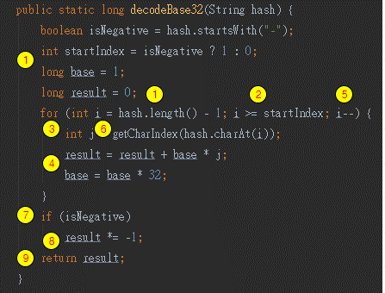 | 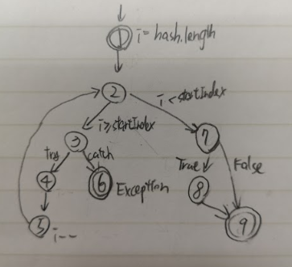 | P1: {1, 2, 3, 4, 5, 2 , 7, 9}, P2: {1, 2, 7, 8, 9}, P3: {1, 2, 3, 6} | {P1, P2, P3} | none | none | T1: {hash="1b"}, T2: {hash="-1b"}, T3: {hash="a"}, | T1 covers {P1}, T2 covers {P2}, T3 covers {P3},
Base32.padLeftWithZeroWithToLength() | 1: String s, 2: int length | String s | padded string with left zeros | n/a |  | 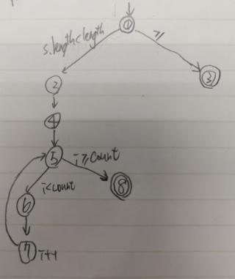 | P1: {1, 2, 4, 5, 6, 7, 5, 8}, P2: {1, 3} | {P1, P2} | none | none | T1: {s="abc", length=4}, T2: {s="abc", length=-4} | T1 covers {P1}, T2 covers {P2}
Base32.getCharIndex() | 1: Char ch | int result | index of ch character in characterIndexes map | "java.lang.IllegalArgumentException: if hash is not a base32 String" |  | 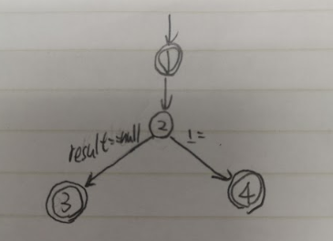 | P1: {1, 2, 3}, P2: {1, 2, 4} | {P1, P2} | none | none | T1: {ch = '1'}, T2: {ch = 'a'} | T1 covers {P1}, T2 covers {P2}
GeoHash.fromLongToString() | 1: long hash | String String(geohash) | the string encoded geohash | IllegalArgumentException : if hash>12 or hash<1 | 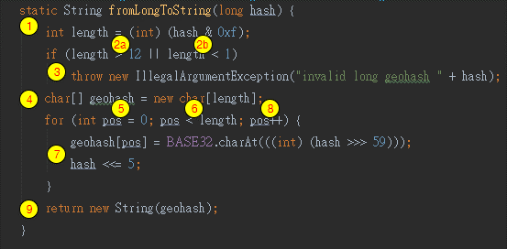 | 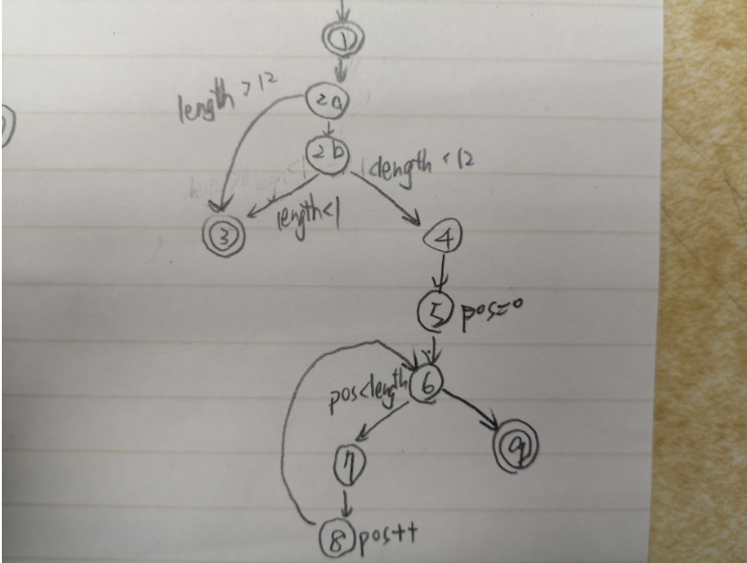 | P1: {1, 2a, 2b, 4, 5, 6, 7, 8, 9}, P2: {1, 2a, 3}, P3: {1, 2b, 3} | {P1, P2} | none | none | T1: {hash = 1}, T2: {hash = 13} T2: {hash = 0} | T1 covers {P1}, T2 covers {P2}, T3 covers {P3}
GeoHash.gridAsString() | 1: String hash 2: int fromRight 3: int fromBottom 4: int toRight 5: int toBottom 6: Set<String>highlightThese | String s.toString() | String representation of grid | java.lang.IllegalArgumentException: if hash is a empty string java.lang.StringIndexOutOfBoundsException: if the last char of hash is not in where NEIGHBOURS map's correspond string value |  | 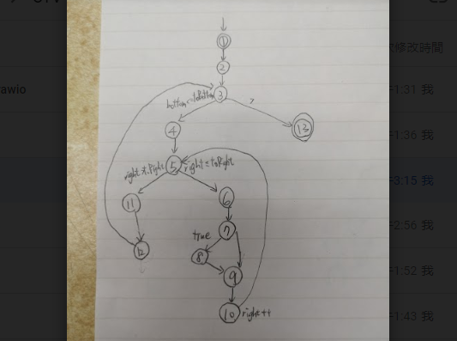 | P1: {1, 2, 3, 4, 5, 6, 7, 9, 10, 5, 6, 7, 8, 9, 10, 5, 11, 12, 3, 13} | {P1} | none | none | T1: {hash = "d", fromRight = -1, fromBottom = -1, toRight = 1, toBottom= 1, Set<String>highlightThese = [f]} | T1 covers {P1}
Geomem.createRegionFilter() | 1: double topLeftLat 2: double topLeftLon 3: double bottomRightLat 4: double bottomRightLon | Predicate<Info<T, R>>() | predicate | n/a | 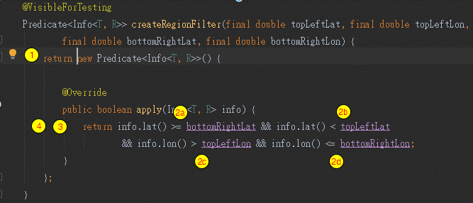 | 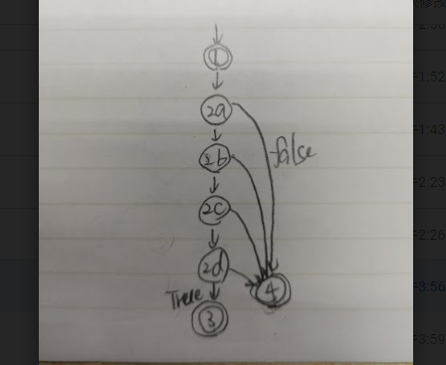 | P1: {1, 2a, 4}, P2: {1, 2a, 2b, 4}, P3: {1, 2a, 2b, 2c, 4}, P4: {1, 2a, 2b, 2c, 2d, 4}, P5: {1, 2a, 2b, 2c, 2d, 3} | {P1, P2, P3, P4, P5} | none | none | Region: {topLeftLat = 0, topLeftLon = 0, bottomRightLat = -100, bottomRightLon = 100} T1: {topLeftLat -1, topLeftLong +1} T2: {topLeftLat + 1, topLeftLong} T3: {topLeftLat, topLeftLong - 1} T4: {topLeftLat , bottomRightLong + 1} T5: {bottomRightLat -1, bottomRightLong} | T1 covers {P5} T5 covers {P1} T2 covers {P2} T4 covers {P4} T3 covers {P3}

